Problems
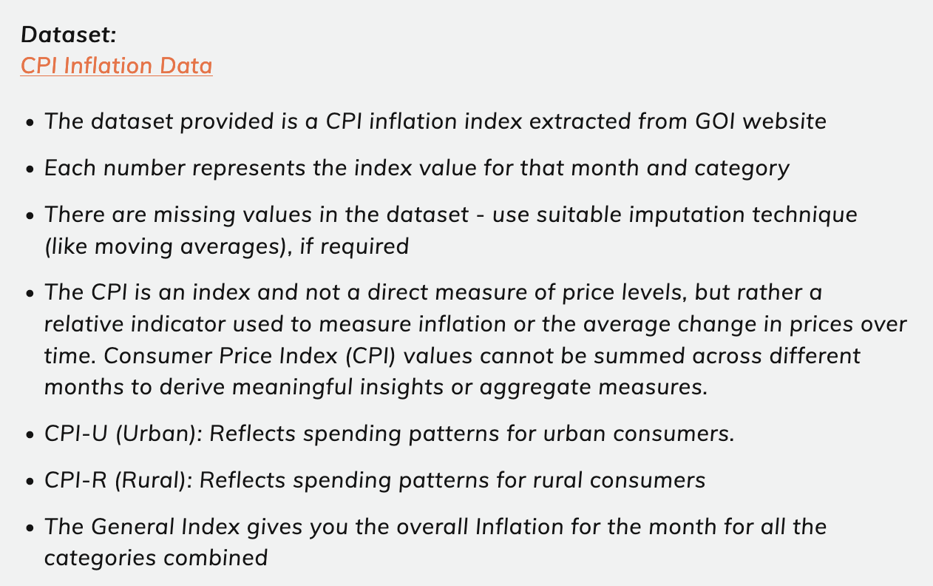
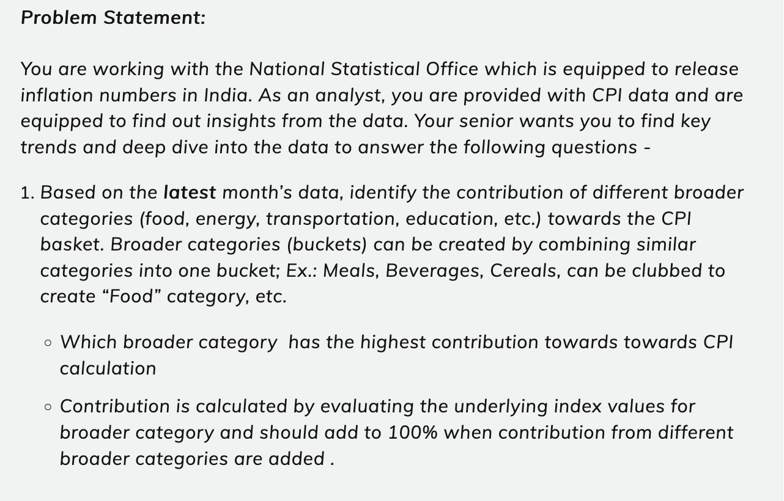
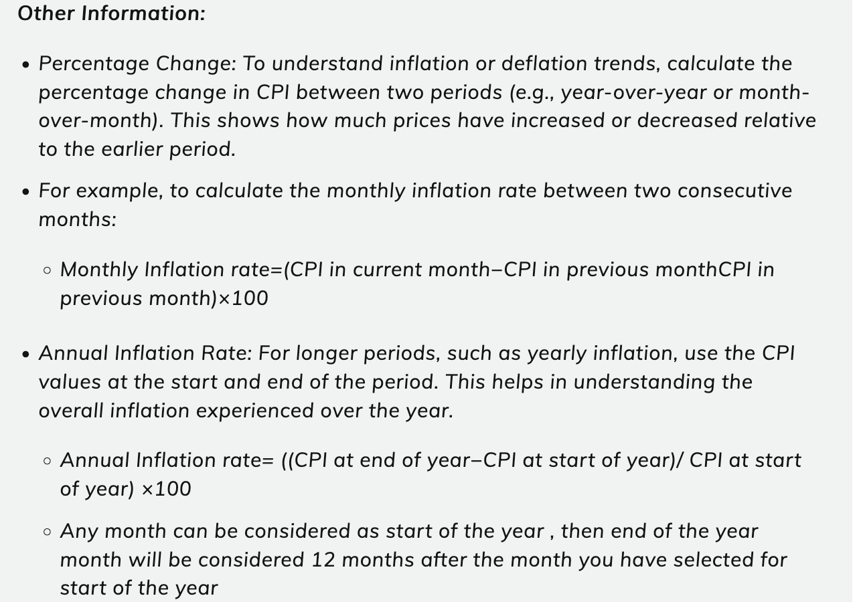

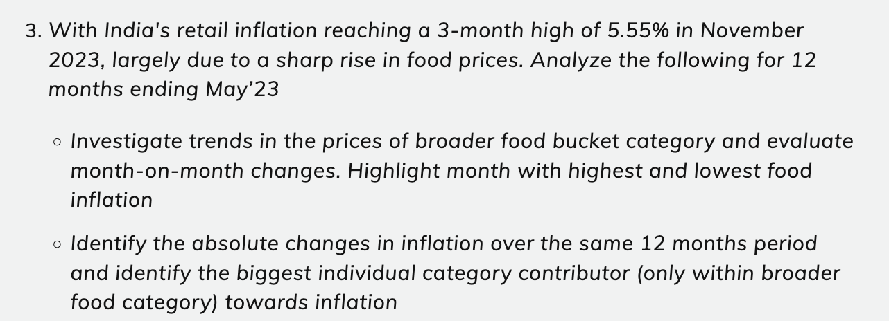

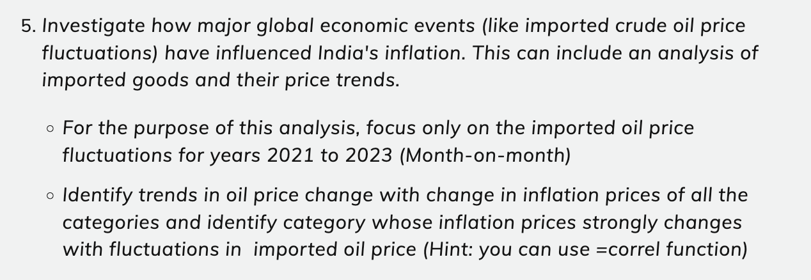

Problem 1
Obj- | o Which sector has the highest weightage towards CPI calculation
May-23 |  |  |  |  |  |  |  |  | Rural | Urban | Rural+Urban
 | Food | Energy | Housing | Clothing & Footwear | Miscellaneous | Tobacco | Total | Food | 2113.9 | 2152 | 2127.8 |  | Weightage
Rural | 2113.9 | 182.5 | 175.6 | 379.1 | 1076.3 | 199.9 | 4127.3 | Energy | 182.5 | 183.4 | 182.8 | Attribute | Group | Weight %
Urban | 2152 | 183.4 | 175.6 | 349.4 | 1042.3 | 204.2 | 4106.9 | Housing | 175.6 | 175.6 | 175.6 | 12 | Food | 52.2 | Total Attribute | 23
Rural+Urban | 2127.8 | 182.8 | 175.6 | 367 | 1059.2 | 201 | 4113.4 | Clothing & Footwear | 379.1 | 349.4 | 367 | 1 | Energy | 4.3 | Each attribute value | 4.347826087
 |  |  |  |  |  |  |  | Miscellaneous | 1076.3 | 1042.3 | 1059.2 | 1 | Housing | 4.3
 |  |  |  |  |  |  |  | Tobacco | 199.9 | 204.2 | 201 | 2 | Clothing & Footwear | 8.7
 | Weightage
Food | 52.173913043
Energy | 4.347826087
Housing | 4.347826087
Clothing & Footwear | 8.6956521739
Miscellaneous | 26.086956522
Tobacco | 4.347826087
 |  |  |  |  |  |  |  |  | 4127.3 | 4106.9 | 4113.4 | 6 | Miscellaneous | 26.1
 |  |  |  |  |  |  |  |  |  |  |  | 1 | Tobacco | 4.3
 | Food | Energy | Housing | Clothing & Footwear | Miscellaneous | Tobacco | Total |  | Rural | Urban | Rural+Urban
Rural | 51.22% | 4.42% | 4.25% | 9.19% | 26.08% | 4.84% | 100.00% | Food | 51.22% | 52.40% | 51.73%
Urban | 52.40% | 4.47% | 4.28% | 8.51% | 25.38% | 4.97% | 100.00% | Energy | 4.42% | 4.47% | 4.44%
Rural+Urban | 51.73% | 4.44% | 4.27% | 8.92% | 25.75% | 4.89% | 100.00% | Housing | 4.25% | 4.28% | 4.27%
 |  |  |  |  |  |  |  | Clothing & Footwear | 9.19% | 8.51% | 8.92%
 |  |  |  |  |  |  |  | Miscellaneous | 26.08% | 25.38% | 25.75%
Urban
Rural + Urban
 |  |  |  |  |  |  |  | Tobacco | 4.84% | 4.97% | 4.89%

-

 |  | Food holds the highest weightage in CPI calculation at 46.9%, followed by Miscellaneous at 25%.
 |  | Clothing and Footwear also make significant contributions, comprising 9% collectively.

Communication
1 | 2 | 3 |  | 4 | 5

India - CPI Inflation Study
India - CPI Inflation Study
India - CPI Inflation Study
India - CPI Inflation Study
India - CPI Inflation Study

Sector Contribution Analysis
A trend of Y-o-Y increase in CPI (rural + urban) inflation starting 2017 for the entire basket of products
Month-on-Month Growth Rate Analysis for Vegetables, Fruits, and Pulses (June 2022 - May 2023)
Impact of COVID-19 Pandemic on Inflation
Analysis of the Impact of Oil Price Fluctuations on Inflation (2021-2023)

Urban + Rural
 | 3.86% | 0.00
 | 4.28% | 0.00
 | 2.91% | 0.00
 | 5.84% | 0.00
 | 5.54% | 0.00
 | 6.91% | 0.00
 | 5.69% | 0.00
Insights
Insights
Rural + Urban
Food | 2127.8
Energy | 182.8
Housing | 175.6
Clothing & Footwear | 367
Miscellaneous | 1059.2
Tobacco | 201
December 2022 and November 2023 seeing a share decline in prices
June 2022 and May 2023 saw highest price rise
Vegitables- The data demonstrates significant fluctuations, with periods of sharp increases and decreases. Notably, there was a decrease in November and December 2022, contrasting with an increase observed in June 2022.
Inflation Trend
 | Food | Health | Household goods
2019 | -5.27% | -1.50% | -4.50%
2020 | 17.52% | 13.98% | 11.42%
2021 | 7.60% | 7.36% | 5.25%
2022 | 5.74% | 6.08% | 7.44%
Covid Phase
Food holds the highest weightage in CPI calculation at 51.73%, followed by Miscellaneous at 26%.
Clothing and Footwear also make significant contributions, comprising 9% collectively.
The highest year-on-year growth rate was recorded in 2022 at 6.91%.
Subsequently, there appears to have been a peak in growth rate during 2022, followed by a slight decline in 2023.
Insights
CPI for food and beverages: Consistent upward trend annually, signaling steady price increases within this category.
CPI for healthcare: Noticeable yearly increase, significant jump from 2019 to 2021, indicating pandemic's substantial impact on healthcare costs.
Insights
Transport and Communication -
Transport and Communication sector's CPI shows a consistent rise, aligning with increasing oil prices (82%), directly impacting transport costs.
Fuel and Light:
The CPI for Fuel and Light exhibits a notable surge, particularly evident from 2021 to 2022, reflecting the influence of fluctuating oil prices on energy expenses.
Insights

NOTE- "In this analysis, we will utilize the May 2023 Consumer Price Index (CPI) data to determine the categories with the highest weightage."

Insights
Insights
 | Crude Oil
Cereals and products | 54%
Meat and fish | 81%
Egg | -19%
Milk and products | 67%
Oils and fats | 79%
Fruits | 62%
Vegetables | 35%
Pulses and products | 36%
Sugar and Confectionery | 58%
Spices | 62%
Non-alcoholic beverages | 74%
Prepared meals, snacks, sweets etc. | 73%
Food and beverages | 73%
Pan, tobacco and intoxicants | 68%
Clothing | 75%
Footwear | 77%
Clothing and footwear | 76%
Housing | 71%
Fuel and light | 75%
Household goods and services | 74%
Health | 74%
Transport and communication | 82%
Recreation and amusement | 80%
Education | 67%
Personal care and effects | 76%
Miscellaneous | 78%
General index | 75%
-
 | Rural | Urban
Food | 51.22% | 52.40%
Energy | 4.42% | 4.47%
Housing | 4.25% | 4.28%
Clothing & Footwear | 9.19% | 8.51%
Miscellaneous | 26.08% | 25.38%
Tobacco | 4.84% | 4.97%
To assess the overall inflation trend consistently, we rely on March data annually. (General Index Data)
This practice is adopted due to the unavailability of April and May data. By consistently utilizing March data, we can effectively track inflation trends over time.
The inflation was high during 2022 due to several factors, including the onset of the Russia-Ukraine conflict.
This conflict exacerbated existing supply chain challenges and contributed to increased pressure on commodity prices.
Why the inflation was high
Fruit- Fruits also exhibited fluctuations, albeit less extreme than vegetables. Periods of growth, such as February 2023, were evident, alongside declines, as seen in September 2022.
Between June 2022 and May 2023, Milk and Dairy Products, as well as Prepared Meals, experienced minimal fluctuations in inflation rates, reflecting stability within these sectors.
Household Goods and Services: Consistent CPI increase reflects pandemic-driven rise in essential household item costs.
Insights
Meat and Fish, Recreation and Amusement, Oils and Fats sectors demonstrate a significant CPI increase, notably from 2021 to 2022.
This trend underscores the influence of fluctuating oil prices on energy-related expenses within these sectors.
 |  |  | offset
The contributions of different sectors to the CPI basket-
In the graph presented above, we have utilized combined data from both Urban and Rural categories.
However, similar trends can also be observed when analyzing the data separately for Rural and Urban categories.

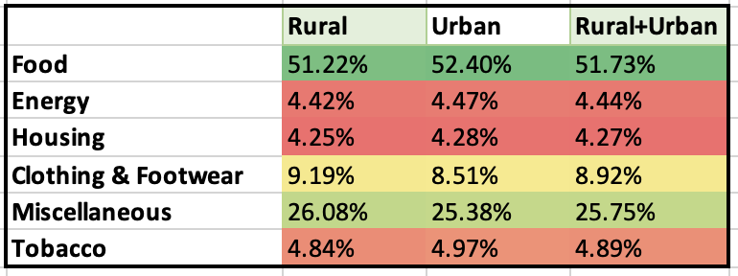

EGG

Data year-
2018
2019
2020
2021
2022
We'll compare the relevant sectors' CPI before, during, and after the onset of the pandemic.
We calculate yearly change based on year from n-1 year and comparing it.
NOTE- We use Normal Year (January to December)
In the graph presented above, we have utilized combined data from both Urban and Rural categories.
However, similar trends can also be observed when analyzing the data separately for Rural and Urban categories.
NOTE- The egg sector exhibits a negative correlation with crude oil imports for both 2021 and 2022.
Spices, with a weightage of 16.60%, emerge as one of the primary contributors to inflation.
Following closely behind are cereals, which account for 12.09% of the inflationary pressures.
Data Year-
June 2022 - May 2023
The Consumer Price Index (CPI) in India typically consists of 23 major items that are divided into 6 major categories. These categories reflect the various components of household expenditure and provide insights into inflationary trends.
Data Year
1. 2021
2. 2022
We use Normal Year (January to December)
Crude Oil Data -
Only Crude oil import data is used for Analysis.

Food-
Cereals, Meat, Egg, Milk, Oils, Fruits, Vegetables, Pulses, Sugar, Spices, Non-alcoholic, Prepared meals
Clothing and footwear -
Clothing, Footwear
Pan, tobacco and intoxicants
Energy
Housing
Miscellaneous -
Household goods and services, Health, Transport, Recreation and amusement, Education, Personal care
Reduced crop output due to cyclone Biparjoy, damaged crops, and decreased cultivated area coincide with heightened domestic and international demand, particularly impacting essential commodities like spices and cereals, contributing to inflationary pressures.

Problem 2
 | Obj- | A trend of Y-o-Y increase in CPI (rural + urban) inflation starting 2017 for the entire basket of products o Create a bar graph depicting the growth rate Y-o-Y and identify the year with highest inflation rate

Method 1
Urban + Rural

 | Year | CPI | Inflation |  | R |  | U
 | 2013 | 105.5 | % | Y | 106 |  | 105
 | 2014 | 114.2 | 8.20% | 2014 | 114.6 | 8.11% | 113.7 | 8.29%
 | 2015 | 120.1 | 5.24% | 2015 | 121.1 | 5.67% | 119.1 | 4.75%
 | 2016 | 125.9 | 4.83% | 2016 | 128 | 5.70% | 123.8 | 3.95%
 | 2017 | 130.8 | 3.86% | 2017 | 132.8 | 3.75% | 128.7 | 3.96%
 | 2018 | 136.4 | 4.28% | 2018 | 138.7 | 4.44% | 134 | 4.12%
 | 2019 | 140.4 | 2.91% | 2019 | 141.2 | 1.80% | 139.5 | 4.10%
 | 2020 | 148.6 | 5.84% | 2020 | 149.8 | 6.09% | 147.3 | 5.59%
 | 2021 | 156.8 | 5.54% | 2021 | 156.7 | 4.61% | 156.9 | 6.52%
 | 2022 | 167.6 | 6.91% | 2022 | 168.7 | 7.66% | 166.5 | 6.12%
 | 2023 | 177.2 | 5.69% | 2023 | 178 | 5.51% | 176.3 | 5.89%

 |  | NOTE- | To gauge the general inflation trend, we utilize March data annually due to unavailability of April and May data. This consistent approach allows for tracking inflation trends effectively.

 |  | Insights

 |  | ● The highest year-on-year growth rate was observed in 2022 at 6.91%.

 |  | ● The growth rate seems to have peaked in 2022 and then declined slightly in 2023.

 | Why high- | The onset of the Russia-Ukraine conflict in 2022 further intensified supply chain challenges and added to commodity price pressures.

Problem 3
Year month

 |  | CPI
Row Labels | Rural | Rural+Urban | Urban |  |  | Inflation
May-2022 | 170.8 | 173.3 | 177.5 |  | Row Labels | Rural | Rural+Urban | Urban
June-2022 | 172.4 | 174.9 | 179.3 |  | June-2022 | 0.94% | 0.92% | 1.01%
July-2022 | 172.5 | 175 | 179.4 |  | July-2022 | 0.06% | 0.06% | 0.06%
August-2022 | 173.9 | 176.3 | 180.4 |  | August-2022 | 0.81% | 0.74% | 0.56%
September-2022 | 175.5 | 177.8 | 181.8 |  | September-2022 | 0.92% | 0.85% | 0.78%
October-2022 | 177.4 | 179.6 | 183.3 |  | October-2022 | 1.08% | 1.01% | 0.83%
November-2022 | 176.6 | 178.3 | 181.3 |  | November-2022 | -0.45% | -0.72% | -1.09%
December-2022 | 174.4 | 175.9 | 178.6 |  | December-2022 | -1.25% | -1.35% | -1.49%
January-2023 | 175 | 176.7 | 179.5 |  | January-2023 | 0.34% | 0.45% | 0.50%
February-2023 | 174.8 | 177 | 180.7 |  | February-2023 | -0.11% | 0.17% | 0.67%
March-2023 | 174.8 | 177 | 180.8 |  | March-2023 | 0.00% | 0.00% | 0.06%
April-2023 | 175.5 | 177.9 | 182.1 |  | April-2023 | 0.40% | 0.51% | 0.72%
May-2023 | 176.8 | 179.1 | 183.1 |  | May-2023 | 0.74% | 0.67% | 0.55%

 |  |  |  |  |  |  |  |  |  |  |  | Insights
 |  |  |  |  |  |  |  |  |  |  |  | December 2022 and November 2023 seeing a share decline in prices
 |  |  |  |  |  |  |  |  |  |  |  | October 2022 and June 2022 saw highest price rise

Year | (All)
Sector | Urban

Row Labels | Sum of Cereals and products | Sum of Meat and fish | Sum of Egg | Sum of Milk and products | Sum of Spices | Sum of Oils and fats | Sum of Fruits | Sum of Vegetables | Sum of Pulses and products | Sum of Sugar and Confectionery | Sum of Non-alcoholic beverages | Sum of Prepared meals, snacks, sweets etc.
May-2022 | 156.7 | 221.2 | 164.1 | 165.4 | 181.4 | 189.5 | 174.5 | 203.2 | 164.1 | 121.2 | 158.5 | 184.9
June-2022 | 157.5 | 223.4 | 172.8 | 166.4 | 183.5 | 188.6 | 174.1 | 211.5 | 163.6 | 121.4 | 159.1 | 186.3
July-2022 | 159.3 | 217.1 | 176.6 | 167.1 | 186.3 | 184.8 | 179.5 | 208.5 | 164 | 121.5 | 159.8 | 187.7
August-2022 | 162.1 | 210.9 | 170.6 | 168.4 | 189.7 | 182.5 | 177.1 | 213.1 | 167.3 | 122.2 | 160.5 | 188.9
September-2022 | 164.9 | 213.7 | 170.9 | 170.1 | 193.6 | 179.3 | 167.5 | 220.8 | 169.2 | 123.1 | 161.1 | 190.4
October-2022 | 166.4 | 214.9 | 171.9 | 171 | 196.4 | 177.7 | 165.7 | 228.6 | 169.9 | 123.4 | 161.6 | 191.5
November-2022 | 168.4 | 213.4 | 183.2 | 172.3 | 198.8 | 180 | 162.6 | 205.5 | 171 | 123.4 | 162.1 | 192.4
December-2022 | 170.2 | 212.9 | 191.9 | 173.9 | 200.5 | 179.1 | 159.5 | 178.7 | 171.3 | 123.1 | 162.8 | 193.3
January-2023 | 173.3 | 215.2 | 197 | 175.2 | 204.3 | 178 | 160.5 | 175.3 | 171.2 | 122.7 | 163.7 | 194.3
February-2023 | 174.7 | 212.2 | 177.2 | 177.9 | 204.8 | 172.2 | 172.1 | 175.8 | 172.2 | 121.9 | 164.9 | 196.6
March-2023 | 174.7 | 212.2 | 177.2 | 177.9 | 204.8 | 172.2 | 172.1 | 175.9 | 172.2 | 121.9 | 164.9 | 196.6
April-2023 | 174.8 | 213.7 | 172.4 | 178.8 | 207.8 | 168.7 | 179.2 | 179.9 | 174.7 | 123.1 | 165.5 | 197
May-2023 | 174.7 | 219.4 | 176.7 | 179.4 | 211.9 | 164.4 | 175.8 | 185 | 176.9 | 124.2 | 165.9 | 197.7

RU |  |  |  |  |  |  |  |  |  |  |  |  | Rural |  |  |  |  |  |  |  |  |  |  |  |  | Urban

Row Labels | Sum of Cereals and products | Sum of Meat and fish | Sum of Egg | Sum of Milk and products | Sum of Spices | Sum of Oils and fats | Sum of Fruits | Sum of Vegetables | Sum of Pulses and products | Sum of Sugar and Confectionery | Sum of Non-alcoholic beverages | Sum of Prepared meals, snacks, sweets etc. | Row Labels | Sum of Cereals and products | Sum of Meat and fish | Sum of Egg | Sum of Milk and products | Sum of Spices | Sum of Oils and fats | Sum of Fruits | Sum of Vegetables | Sum of Pulses and products | Sum of Sugar and Confectionery | Sum of Non-alcoholic beverages | Sum of Prepared meals, snacks, sweets etc. | Row Labels | Sum of Cereals and products | Sum of Meat and fish | Sum of Egg | Sum of Milk and products | Sum of Spices | Sum of Oils and fats | Sum of Fruits | Sum of Vegetables | Sum of Pulses and products | Sum of Sugar and Confectionery | Sum of Non-alcoholic beverages | Sum of Prepared meals, snacks, sweets etc.
May-2022 | 154.1 | 217 | 162.4 | 164.9 | 184.9 | 202.4 | 171 | 174.9 | 164.7 | 119.7 | 167.1 | 182.5 | May-2022 | 152.9 | 214.7 | 161.4 | 164.6 | 186.6 | 209.9 | 168 | 160.4 | 165 | 118.9 | 173.2 | 180.4 | May-2022 | 156.7 | 221.2 | 164.1 | 165.4 | 181.4 | 189.5 | 174.5 | 203.2 | 164.1 | 121.2 | 158.5 | 184.9
June-2022 | 155 | 219.4 | 170.8 | 165.8 | 187.1 | 200.9 | 169.7 | 182.3 | 164.3 | 119.9 | 167.9 | 183.9 | June-2022 | 153.8 | 217.2 | 169.6 | 165.4 | 188.9 | 208.1 | 165.8 | 167.3 | 164.6 | 119.1 | 174.2 | 181.9 | June-2022 | 157.5 | 223.4 | 172.8 | 166.4 | 183.5 | 188.6 | 174.1 | 211.5 | 163.6 | 121.4 | 159.1 | 186.3
July-2022 | 156.5 | 213 | 175.2 | 166.6 | 190 | 195.8 | 174.2 | 182.1 | 164.3 | 120 | 168.4 | 185.2 | July-2022 | 155.2 | 210.8 | 174.3 | 166.3 | 191.8 | 202.2 | 169.6 | 168.6 | 164.4 | 119.2 | 174.5 | 183.1 | July-2022 | 159.3 | 217.1 | 176.6 | 167.1 | 186.3 | 184.8 | 179.5 | 208.5 | 164 | 121.5 | 159.8 | 187.7
August-2022 | 160.3 | 206.5 | 169.2 | 168.1 | 193.6 | 192.4 | 172.9 | 186.7 | 167.2 | 120.9 | 168.8 | 186.3 | August-2022 | 159.5 | 204.1 | 168.3 | 167.9 | 195.6 | 198.1 | 169.2 | 173.1 | 167.1 | 120.2 | 174.8 | 184 | August-2022 | 162.1 | 210.9 | 170.6 | 168.4 | 189.7 | 182.5 | 177.1 | 213.1 | 167.3 | 122.2 | 160.5 | 188.9
September-2022 | 163.5 | 209.2 | 169.7 | 169.7 | 197.3 | 188.7 | 165.7 | 191.8 | 169.1 | 121.6 | 169.4 | 187.4 | September-2022 | 162.9 | 206.7 | 169 | 169.5 | 199.1 | 194.1 | 164.1 | 176.9 | 169 | 120.8 | 175.4 | 184.8 | September-2022 | 164.9 | 213.7 | 170.9 | 170.1 | 193.6 | 179.3 | 167.5 | 220.8 | 169.2 | 123.1 | 161.1 | 190.4
October-2022 | 165.2 | 210.9 | 170.9 | 170.9 | 199.9 | 186.5 | 163.8 | 199.7 | 169.8 | 121.9 | 169.9 | 188.3 | October-2022 | 164.7 | 208.8 | 170.3 | 170.9 | 201.6 | 191.6 | 162.2 | 184.8 | 169.7 | 121.1 | 175.8 | 185.6 | October-2022 | 166.4 | 214.9 | 171.9 | 171 | 196.4 | 177.7 | 165.7 | 228.6 | 169.9 | 123.4 | 161.6 | 191.5
November-2022 | 167.4 | 209.4 | 181.4 | 172.3 | 202.8 | 188.9 | 160.7 | 183.1 | 170.5 | 122.1 | 170.4 | 189.5 | November-2022 | 166.9 | 207.2 | 180.2 | 172.3 | 204.8 | 194 | 159.1 | 171.6 | 170.2 | 121.5 | 176.4 | 186.9 | November-2022 | 168.4 | 213.4 | 183.2 | 172.3 | 198.8 | 180 | 162.6 | 205.5 | 171 | 123.4 | 162.1 | 192.4
December-2022 | 169.2 | 209 | 190.2 | 173.6 | 205.2 | 188.5 | 158 | 159.9 | 170.8 | 121.8 | 171 | 190.3 | December-2022 | 168.8 | 206.9 | 189.1 | 173.4 | 207.5 | 193.9 | 156.7 | 150.2 | 170.5 | 121.2 | 176.8 | 187.7 | December-2022 | 170.2 | 212.9 | 191.9 | 173.9 | 200.5 | 179.1 | 159.5 | 178.7 | 171.3 | 123.1 | 162.8 | 193.3
January-2023 | 173.8 | 210.7 | 194.5 | 174.6 | 208.4 | 187.2 | 158.3 | 153.9 | 170.9 | 121.1 | 171.4 | 191.2 | January-2023 | 174 | 208.3 | 192.9 | 174.3 | 210.5 | 192.6 | 156.3 | 142.9 | 170.7 | 120.3 | 176.9 | 188.5 | January-2023 | 173.3 | 215.2 | 197 | 175.2 | 204.3 | 178 | 160.5 | 175.3 | 171.2 | 122.7 | 163.7 | 194.3
February-2023 | 174.4 | 207.7 | 175.2 | 177.3 | 209.7 | 179.3 | 169.5 | 152.7 | 171 | 120 | 172.3 | 193 | February-2023 | 174.2 | 205.2 | 173.9 | 177 | 212.1 | 183.4 | 167.2 | 140.9 | 170.4 | 119.1 | 177.6 | 189.9 | February-2023 | 174.7 | 212.2 | 177.2 | 177.9 | 204.8 | 172.2 | 172.1 | 175.8 | 172.2 | 121.9 | 164.9 | 196.6
March-2023 | 174.4 | 207.7 | 175.2 | 177.3 | 209.7 | 179.2 | 169.5 | 152.8 | 171.1 | 120 | 172.3 | 193 | March-2023 | 174.3 | 205.2 | 173.9 | 177 | 212.1 | 183.3 | 167.2 | 140.9 | 170.5 | 119.1 | 177.6 | 189.9 | March-2023 | 174.7 | 212.2 | 177.2 | 177.9 | 204.8 | 172.2 | 172.1 | 175.9 | 172.2 | 121.9 | 164.9 | 196.6
April-2023 | 173.8 | 209.3 | 169.6 | 178.4 | 212.9 | 174.9 | 176.3 | 155.4 | 173.4 | 121.3 | 172.9 | 193.5 | April-2023 | 173.3 | 206.9 | 167.9 | 178.2 | 215.5 | 178.5 | 173.7 | 142.8 | 172.8 | 120.4 | 178.2 | 190.5 | April-2023 | 174.8 | 213.7 | 172.4 | 178.8 | 207.8 | 168.7 | 179.2 | 179.9 | 174.7 | 123.1 | 165.5 | 197
May-2023 | 173.7 | 214.3 | 173.2 | 179.5 | 218 | 170 | 172.2 | 161 | 175.6 | 122.7 | 173.4 | 194.2 | May-2023 | 173.2 | 211.5 | 171 | 179.6 | 221 | 173.3 | 169 | 148.7 | 174.9 | 121.9 | 178.7 | 191.1 | May-2023 | 174.7 | 219.4 | 176.7 | 179.4 | 211.9 | 164.4 | 175.8 | 185 | 176.9 | 124.2 | 165.9 | 197.7

Row Labels | Sum of Cereals and products | Sum of Meat and fish | Sum of Egg | Sum of Milk and products | Sum of Spices | Sum of Oils and fats | Sum of Fruits | Sum of Vegetables | Sum of Pulses and products | Sum of Sugar and Confectionery | Sum of Non-alcoholic beverages | Sum of Prepared meals, snacks, sweets etc. | Row Labels | Sum of Cereals and products | Sum of Meat and fish | Sum of Egg | Sum of Milk and products | Sum of Spices | Sum of Oils and fats | Sum of Fruits | Sum of Vegetables | Sum of Pulses and products | Sum of Sugar and Confectionery | Sum of Non-alcoholic beverages | Sum of Prepared meals, snacks, sweets etc. | Row Labels | Sum of Cereals and products | Sum of Meat and fish | Sum of Egg | Sum of Milk and products | Sum of Spices | Sum of Oils and fats | Sum of Fruits | Sum of Vegetables | Sum of Pulses and products | Sum of Sugar and Confectionery | Sum of Non-alcoholic beverages | Sum of Prepared meals, snacks, sweets etc.
May-2022 | 0.58% | 1.11% | 5.17% | 0.55% | 1.19% | -0.74% | -0.76% | 4.23% | -0.24% | 0.17% | 0.48% | 0.77% | May-2022 | 0.59% | 1.16% | 5.08% | 0.49% | 1.23% | -0.86% | -1.31% | 4.30% | -0.24% | 0.17% | 0.58% | 0.83% | May-2022 | 0.51% | 0.99% | 5.30% | 0.60% | 1.16% | -0.47% | -0.23% | 4.08% | -0.30% | 0.17% | 0.38% | 0.76%
June-2022 | 0.97% | -2.92% | 2.58% | 0.48% | 1.55% | -2.54% | 2.65% | -0.11% | 0.00% | 0.08% | 0.30% | 0.71% | June-2022 | 0.91% | -2.95% | 2.77% | 0.54% | 1.54% | -2.84% | 2.29% | 0.78% | -0.12% | 0.08% | 0.17% | 0.66% | June-2022 | 1.14% | -2.82% | 2.20% | 0.42% | 1.53% | -2.01% | 3.10% | -1.42% | 0.24% | 0.08% | 0.44% | 0.75%
July-2022 | 2.43% | -3.05% | -3.42% | 0.90% | 1.89% | -1.74% | -0.75% | 2.53% | 1.77% | 0.75% | 0.24% | 0.59% | July-2022 | 2.77% | -3.18% | -3.44% | 0.96% | 1.98% | -2.03% | -0.24% | 2.67% | 1.64% | 0.84% | 0.17% | 0.49% | July-2022 | 1.76% | -2.86% | -3.40% | 0.78% | 1.83% | -1.24% | -1.34% | 2.21% | 2.01% | 0.58% | 0.44% | 0.64%
August-2022 | 2.00% | 1.31% | 0.30% | 0.95% | 1.91% | -1.92% | -4.16% | 2.73% | 1.14% | 0.58% | 0.36% | 0.59% | August-2022 | 2.13% | 1.27% | 0.42% | 0.95% | 1.79% | -2.02% | -3.01% | 2.20% | 1.14% | 0.50% | 0.34% | 0.43% | August-2022 | 1.73% | 1.33% | 0.18% | 1.01% | 2.06% | -1.75% | -5.42% | 3.61% | 1.14% | 0.74% | 0.37% | 0.79%
September-2022 | 1.04% | 0.81% | 0.71% | 0.71% | 1.32% | -1.17% | -1.15% | 4.12% | 0.41% | 0.25% | 0.30% | 0.48% | September-2022 | 1.10% | 1.02% | 0.77% | 0.83% | 1.26% | -1.29% | -1.16% | 4.47% | 0.41% | 0.25% | 0.23% | 0.43% | September-2022 | 0.91% | 0.56% | 0.59% | 0.53% | 1.45% | -0.89% | -1.07% | 3.53% | 0.41% | 0.24% | 0.31% | 0.58%
October-2022 | 1.33% | -0.71% | 6.14% | 0.82% | 1.45% | 1.29% | -1.89% | -8.31% | 0.41% | 0.16% | 0.29% | 0.64% | October-2022 | 1.34% | -0.77% | 5.81% | 0.82% | 1.59% | 1.25% | -1.91% | -7.14% | 0.29% | 0.33% | 0.34% | 0.70% | October-2022 | 1.20% | -0.70% | 6.57% | 0.76% | 1.22% | 1.29% | -1.87% | -10.10% | 0.65% | 0.00% | 0.31% | 0.47%
November-2022 | 1.08% | -0.19% | 4.85% | 0.75% | 1.18% | -0.21% | -1.68% | -12.67% | 0.18% | -0.25% | 0.35% | 0.42% | November-2022 | 1.14% | -0.14% | 4.94% | 0.64% | 1.32% | -0.05% | -1.51% | -12.47% | 0.18% | -0.25% | 0.23% | 0.43% | November-2022 | 1.07% | -0.23% | 4.75% | 0.93% | 0.86% | -0.50% | -1.91% | -13.04% | 0.18% | -0.24% | 0.43% | 0.47%
December-2022 | 2.72% | 0.81% | 2.26% | 0.58% | 1.56% | -0.69% | 0.19% | -3.75% | 0.06% | -0.57% | 0.23% | 0.47% | December-2022 | 3.08% | 0.68% | 2.01% | 0.52% | 1.45% | -0.67% | -0.26% | -4.86% | 0.12% | -0.74% | 0.06% | 0.43% | December-2022 | 1.82% | 1.08% | 2.66% | 0.75% | 1.90% | -0.61% | 0.63% | -1.90% | -0.06% | -0.32% | 0.55% | 0.52%
January-2023 | 0.35% | -1.42% | -9.92% | 1.55% | 0.62% | -4.22% | 7.08% | -0.78% | 0.06% | -0.91% | 0.53% | 0.94% | January-2023 | 0.11% | -1.49% | -9.85% | 1.55% | 0.76% | -4.78% | 6.97% | -1.40% | -0.18% | -1.00% | 0.40% | 0.74% | January-2023 | 0.81% | -1.39% | -10.05% | 1.54% | 0.24% | -3.26% | 7.23% | 0.29% | 0.58% | -0.65% | 0.73% | 1.18%
February-2023 | 0.00% | 0.00% | 0.00% | 0.00% | 0.00% | -0.06% | 0.00% | 0.07% | 0.06% | 0.00% | 0.00% | 0.00% | February-2023 | 0.06% | 0.00% | 0.00% | 0.00% | 0.00% | -0.05% | 0.00% | 0.00% | 0.06% | 0.00% | 0.00% | 0.00% | February-2023 | 0.00% | 0.00% | 0.00% | 0.00% | 0.00% | 0.00% | 0.00% | 0.06% | 0.00% | 0.00% | 0.00% | 0.00%
March-2023 | -0.34% | 0.77% | -3.20% | 0.62% | 1.53% | -2.40% | 4.01% | 1.70% | 1.34% | 1.08% | 0.35% | 0.26% | March-2023 | -0.57% | 0.83% | -3.45% | 0.68% | 1.60% | -2.62% | 3.89% | 1.35% | 1.35% | 1.09% | 0.34% | 0.32% | March-2023 | 0.06% | 0.71% | -2.71% | 0.51% | 1.46% | -2.03% | 4.13% | 2.27% | 1.45% | 0.98% | 0.36% | 0.20%
April-2023 | -0.06% | 2.39% | 2.12% | 0.62% | 2.40% | -2.80% | -2.33% | 3.60% | 1.27% | 1.15% | 0.29% | 0.36% | April-2023 | -0.06% | 2.22% | 1.85% | 0.79% | 2.55% | -2.91% | -2.71% | 4.13% | 1.22% | 1.25% | 0.28% | 0.31% | April-2023 | -0.06% | 2.67% | 2.49% | 0.34% | 1.97% | -2.55% | -1.90% | 2.83% | 1.26% | 0.89% | 0.24% | 0.36%
May-2023 | 12.09% | -1.10% | 7.59% | 8.52% | 16.60% | -17.20% | 1.21% | -6.65% | 6.45% | 2.50% | 3.71% | 6.23% | May-2023 |  |  |  |  |  |  |  |  |  |  |  |  | May-2023
 |  |  |  |  |  |  |  |  |  |  |  |  | Sum | 12.60% | -1.34% | 6.90% | 8.76% | 17.06% | -18.86% | 1.06% | -5.98% | 5.87% | 2.52% | 3.13% | 5.78% | Sum | 10.95% | -0.66% | 8.58% | 8.16% | 15.67% | -14.04% | 1.35% | -7.58% | 7.56% | 2.46% | 4.57% | 6.72%

 | Sum of Cereals and products | Sum of Meat and fish | Sum of Egg | Sum of Milk and products | Sum of Spices | Sum of Oils and fats | Sum of Fruits | Sum of Vegetables | Sum of Pulses and products | Sum of Sugar and Confectionery | Sum of Non-alcoholic beverages | Sum of Prepared meals, snacks, sweets etc.
 | 12.09% | -1.10% | 7.59% | 8.52% | 16.60% | -17.20% | 1.21% | -6.65% | 6.45% | 2.50% | 3.71% | 6.23%

Food | % Inflation |  |  |  |  |  |  |  |  |  |  |  |  | RU | R | U
Cereals and products | 12.09% |  |  |  |  |  |  |  |  |  |  |  | Food | % Inflation | % Inflation | % Inflation
Meat and fish | -1.10% |  |  |  |  |  |  |  |  |  |  |  | Cereals and products | 12.09% | 12.60% | 10.95%
Egg | 7.59% |  |  |  |  |  |  |  |  |  |  |  | Meat and fish | -1.10% | -1.34% | -0.66%
Milk and products | 8.52% |  |  |  |  |  |  |  |  |  |  |  | Egg | 7.59% | 6.90% | 8.58%
Spices | 16.60% |  |  |  |  |  |  |  |  |  |  |  | Milk and products | 8.52% | 8.76% | 8.16%
Oils and fats | -17.20% |  |  |  |  |  |  |  |  |  |  |  | Spices | 16.60% | 17.06% | 15.67%
Fruits | 1.21% |  |  |  |  |  |  |  |  |  |  |  | Oils and fats | -17.20% | -18.86% | -14.04%
Vegetables | -6.65% |  |  |  |  |  |  |  |  |  |  |  | Fruits | 1.21% | 1.06% | 1.35%
Pulses and products | 6.45% |  |  |  |  |  |  |  |  |  |  |  | Vegetables | -6.65% | -5.98% | -7.58%
Sugar and Confectionery | 2.50% |  |  |  |  |  |  |  |  |  |  |  | Pulses and products | 6.45% | 5.87% | 7.56%
Non-alcoholic beverages | 3.71% |  |  |  |  |  |  |  |  |  |  |  | Sugar and Confectionery | 2.50% | 2.52% | 2.46%
Prepared meals, snacks, sweets etc. | 6.23% |  |  |  |  |  |  |  |  |  |  |  | Non-alcoholic beverages | 3.71% | 3.13% | 4.57%
 |  |  |  |  |  |  |  |  |  |  |  |  | Prepared meals, snacks, sweets etc. | 6.23% | 5.78% | 6.72%

 |  |  |  |  |  |  |  |  |  |  |  |  |  |  |  |  |  | Insights
 |  |  |  |  |  |  |  |  |  |  |  |  |  |  |  |  |  |  | Spices are one of the biggest contributor towards inflation
 |  |  |  |  |  |  |  |  |  |  |  |  |  |  |  |  |  |  |  | Increase in domestic and international demand
 |  |  |  |  |  |  |  |  |  |  |  |  |  |  |  |  |  |  |  | reduced cultivated area
 |  |  |  |  |  |  |  |  |  |  |  |  |  |  |  |  |  |  |  | Cyclone and drought Impact

Problem 4
 |  |  |  |  | Month | December

 |  |  |  |  |  | Column Labels
 |  |  |  |  |  | Rural |  |  | Rural+Urban |  |  | Urban
 | Impact of COVID-19 Pandemic on Inflation |  |  |  | Row Labels | Sum of Housing | Sum of Health | Sum of Sum food | Sum of Housing | Sum of Health | Sum of Sum food | Sum of Housing | Sum of Health | Sum of Sum food
 |  |  |  |  | 2018 | 143.80 | 149.60 | 1634.60 | 146.50 | 144.90 | 1624.60 | 146.50 | 137.30 | 1609.00
 | Sector | Urban |  |  | 2019 | 150.70 | 154.80 | 1786.70 | 152.80 | 150.40 | 1791.10 | 152.80 | 143.20 | 1800.40
 |  |  |  |  | 2020 | 155.70 | 161.60 | 1936.00 | 158.40 | 158.30 | 1943.70 | 158.40 | 152.90 | 1958.40
 | Row Labels | Average of Health | Average of Household goods and services | Sum of Sum food | 2021 | 161.40 | 174.00 | 2002.40 | 163.40 | 170.60 | 2012.70 | 163.40 | 165.10 | 2034.10
 | 2017 | 124.87 | 127.06 | 19255.90 | 2022 | 168.00 | 183.50 | 2102.70 | 170.70 | 181.10 | 2107.50 | 170.70 | 177.20 | 2117.20
 | 2018 | 133.31 | 133.13 | 19273.70
 | 2019 | 140.75 | 137.82 | 18684.20
 | 2020 | 148.03 | 142.40 | 22031.04
 | 2021 | 160.49 | 150.80 | 23709.50
 | 2022 | 171.44 | 162.36 | 25042.70
 | 2023 | 180.76 | 169.22 | 10663.40
 | Grand Total | 148.81 | 144.09 | 138660.44

 |  |  |  |  | Impact of COVID-19 Pandemic on Inflation
 |  |  |  |  | Insights
 |  | Rural + Urban |  |  | Food | Steady increase over these years
 | Row Labels | Food | Health | Household goods | Household Goods and Services | Increased costs for essential household items
 | 2018 | 19605.40 | 1651.00 | 1662.90 | Health | Steady increase over these years
 | 2019 | 18573.00 | 1626.30 | 1588.00
 | 2020 | 21827.08 | 1853.62 | 1769.30
 | 2021 | 23486.90 | 1990.10 | 1862.10
 | 2022 | 24835.70 | 2111.10 | 2000.60
Inflation Trend
Before Covid
After Covid
 | 2023

 |  | Inflation
 | Year | Food | Health | Household goods
 | 2019 | -5.27% | -1.50% | -4.50%
 | 2020 | 17.52% | 13.98% | 11.42%
 | 2021 | 7.60% | 7.36% | 5.25%
 | 2022 | 5.74% | 6.08% | 7.44%

 | Rural

 | Row Labels | Average of Food and beverages | Average of Health | Average of Household goods and services | 2019 | 143.46
 | 2017 | 137.16 | 132.41 | 136.16 | 2020 | 154.65
 | 2018 | 140.01 | 140.13 | 143.37 | 2021 | 160.67
 | 2019 | 143.46 | 152.18 | 150.23 | 2022 | 171.39
 | 2020 | 154.65 | 158.28 | 151.95
 | 2021 | 160.67 | 169.07 | 159.03
 | 2022 | 171.39 | 178.69 | 170.63
 | 2023 | 175.38 | 186.58 | 178.66

 | Row Labels | Average of Food and beverages | Average of Health | Average of Household goods and services
 | 2018 | 2.08% | 5.83% | 5.29%
 | 2019 | 2.47% | 8.60% | 4.79%
 | 2020 | 7.80% | 4.00% | 1.15%
 | 2021 | 3.89% | 6.82% | 4.65%
 | 2022 | 6.68% | 5.69% | 7.29%

 | Urban

 | Row Labels | Average of Food and beverages | Average of Health | Average of Household goods and services
 | 2017 | 136.48 | 124.87 | 127.06
 | 2018 | 137.79 | 133.31 | 133.13
 | 2019 | 146.58 | 140.75 | 137.82
 | 2020 | 158.21 | 148.03 | 142.40
 | 2021 | 166.39 | 160.49 | 150.80
 | 2022 | 177.34 | 171.44 | 162.36
 | 2023 | 181.24 | 180.76 | 169.22

 | Row Labels | Average of Food and beverages | Average of Health | Average of Household goods and services
 | 2018 | 0.96% | 6.76% | 4.78%
 | 2019 | 6.38% | 5.58% | 3.52%
 | 2020 | 7.93% | 5.17% | 3.32%
 | 2021 | 5.17% | 8.42% | 5.90%
 | 2022 | 6.58% | 6.82% | 7.66%

 | Health | Food | Household goods and services
2019 | -1.50% | -5.27% | -4.50%
2020 | 13.98% | 17.52% | 11.42%
2021 | 7.36% | 7.60% | 5.25%
2022 | 6.08% | 5.74% | 7.44%

Notes
 |  |  |  |  |  |  |  |  |  | Objective-
Objective- |  |  |  |  |  |  |  |  |  |  | A trend of Y-o-Y increase in CPI (rural + urban) inflation starting 2017 for the entire basket of products
 | Based on the latest month’s data, identify the contribution of different sectors (food, energy, transportation, education, etc.) towards the CPI basket |  |  |  | Weightage |  |  |  |  |  | .Create a bar graph depicting the growth rate Y-o-Y and identify the year with highest inflation rate
 | o Which sector has the highest weightage towards CPI calculation |  |  | Attribute | Group | Weight |  |  | Weightage
 |  |  |  | 12 | Food | 45.86% | Total Attribute | 23 | 52.173913043
 |  |  |  | 1 | Energy | 6.84% | Each attribute value | 4.347826087 | 4.347826087
 |  |  |  | 1 | Housing | 10.07% |  |  | 4.347826087 | Attribute | Hypothesis | final?
Attribute | Hypothesis | final? |  | 2 | Clothing & Footwear | 6.53% |  |  | 8.6956521739
 |  |  |  | 6 | Miscellaneous | 28.31% |  |  | 26.086956522
 |  |  |  | 1 | Tobacco | 2.38% |  |  | 4.347826087

 |  |  | 1 | Food
 |  |  |  | 1 | Cereals
 |  |  |  | 2 | Meat
 |  |  |  | 3 | Egg
 |  |  |  | 4 | Milk
 |  |  |  | 5 | Oils
 |  |  |  | 6 | Fruits
 |  |  |  | 7 | Vegetables
 |  |  |  | 8 | Pulses
 |  |  |  | 9 | Sugar
 |  |  |  | 10 | Spices
 |  |  |  | 11 | Non-alcoholic
 |  |  |  | 12 | Prepared meals
 |  |  | 2
 |  |  |  | Pan, tobacco and intoxicants
 |  |  |  | 13 | Paan

 |  |  | 3 | Clothing and footwear
 |  |  |  | 14 | Clothing
 |  |  |  | 15 | Footwear

 |  |  | 4 | Housing
 |  |  |  | 16 | Housing
 |  |  | 5 | Fuel
 |  |  |  | 17 | Fuel/Energy
 |  |  | 6 | Miscellaneous
 |  |  |  | 18 | Household goods and services
 |  |  |  | 19 | Health
 |  |  |  | 20 | Transport
 |  |  |  | 21 | Transport
 |  |  |  | 22 | Education
 |  |  |  | 23 | Personal care

Problem 5
Month | Oil Dollars | Total Imports in USD | Year |  | Sector | Year | Month | Cereals and products | Meat and fish | Egg | Milk and products | Oils and fats | Fruits | Vegetables | Pulses and products | Sugar and Confectionery | Spices | Non-alcoholic beverages | Prepared meals, snacks, sweets etc. | Food and beverages | Pan, tobacco and intoxicants | Clothing | Footwear | Clothing and footwear | Housing | Fuel and light | Household goods and services | Health | Transport and communication | Recreation and amusement | Education | Personal care and effects | Miscellaneous | General index
January | 7660 | 9123 | 2021 |  | Rural+Urban | 2021 | January | 144.9 | 190.1 | 175.3 | 154.1 | 150.9 | 149.6 | 194.2 | 160.4 | 114.6 | 164 | 151.8 | 165.6 | 161 | 186.5 | 155.5 | 146.1 | 154.2 | 157.7 | 147.9 | 150 | 159.3 | 141.9 | 149.6 | 159.2 | 156.8 | 151.9 | 157.3
February | 6583 | 8356 | 2021 |  | Rural+Urban | 2021 | February | 144.3 | 186.5 | 168.7 | 154.7 | 158.7 | 150.7 | 160 | 158.8 | 112.8 | 164.2 | 155.5 | 167.5 | 156.9 | 188.3 | 157.2 | 147.4 | 155.8 | 159.8 | 152.4 | 150.9 | 161.3 | 145.1 | 151.5 | 159.5 | 155.8 | 153.4 | 156.6
March | 8431 | 10333 | 2021 |  | Rural+Urban | 2021 | March | 144.1 | 192.2 | 163.8 | 154.9 | 163.9 | 153.7 | 149.5 | 159.8 | 112.6 | 163.5 | 156.5 | 168.2 | 156.7 | 188.1 | 157.8 | 147.9 | 156.4 | 159.9 | 155.5 | 151.2 | 161.7 | 146.2 | 152.6 | 160.2 | 153.8 | 153.8 | 156.8
April | 8555 | 10024 | 2021 |  | Rural+Urban | 2021 | April | 144.3 | 198 | 164.6 | 155.4 | 170.1 | 164.4 | 144.1 | 161.7 | 113.1 | 163.9 | 157.6 | 168.9 | 158 | 188.8 | 158.8 | 148.5 | 157.3 | 161.4 | 155.6 | 151.8 | 162.3 | 146.6 | 153.2 | 160.3 | 155.4 | 154.4 | 157.8
May | 8262 | 9523 | 2021 |  | Rural+Urban | 2021 | May | 146.3 | 200.5 | 170.3 | 156.1 | 178.7 | 167.1 | 147.9 | 165.4 | 114.8 | 168.2 | 159.3 | 170.4 | 160.7 | 191.9 | 161.8 | 152.1 | 160.4 | 161.6 | 159.4 | 154.7 | 165.8 | 148.9 | 155.8 | 161.2 | 158.6 | 156.8 | 160.4
June | 8289 | 9722 | 2021 |  | Rural+Urban | 2021 | June | 146.7 | 202 | 180.7 | 156.2 | 183.7 | 164.6 | 155.4 | 166 | 115.1 | 168.5 | 160 | 172.4 | 162.6 | 190.8 | 162.2 | 151.8 | 160.7 | 160.5 | 159.8 | 154.8 | 166.3 | 150.7 | 154.9 | 161.7 | 158.8 | 157.6 | 161.3
July | 7976 | 9767 | 2021 |  | Rural+Urban | 2021 | July | 146.4 | 206.8 | 182.2 | 157.5 | 182.1 | 163.9 | 164.2 | 164 | 114.5 | 168.3 | 160.9 | 172.2 | 164 | 191.2 | 162.8 | 153.1 | 161.4 | 161.5 | 160.7 | 155.8 | 167 | 153.1 | 155.3 | 163.2 | 160.1 | 159 | 162.5
August | 9075 | 10924 | 2021 |  | Rural+Urban | 2021 | August | 146.6 | 204 | 172.8 | 158.4 | 188 | 156.8 | 162.2 | 164.1 | 119.7 | 168.8 | 162.7 | 173.9 | 164 | 192.1 | 164.5 | 155.3 | 163.2 | 162.1 | 162.6 | 157.5 | 168.4 | 154 | 157.6 | 163.8 | 160 | 160 | 163.2
September | 9340 | 11226 | 2021 |  | Rural+Urban | 2021 | September | 146.6 | 204 | 172.8 | 158.4 | 188 | 156.7 | 162.3 | 164.1 | 119.7 | 168.8 | 162.7 | 173.9 | 164 | 192.1 | 164.6 | 155.3 | 163.3 | 162.1 | 162.6 | 157.5 | 168.4 | 154 | 157.7 | 163.7 | 160 | 160 | 163.2
October | 9637 | 12225 | 2021 |  | Rural+Urban | 2021 | October | 147.4 | 204.6 | 171.2 | 158.7 | 190.6 | 155.7 | 185.3 | 165.2 | 121.9 | 169.3 | 163.2 | 174.7 | 167.7 | 192.7 | 165.7 | 156.3 | 164.3 | 163.6 | 164.2 | 158.4 | 169.1 | 155.7 | 158.6 | 163.9 | 160.8 | 161 | 165.5
November | 10589 | 12736 | 2021 |  | Rural+Urban | 2021 | November | 148.2 | 201.6 | 173 | 159.3 | 190.1 | 156.5 | 199.2 | 165.3 | 122.4 | 169.6 | 163.7 | 175.5 | 169.7 | 192.9 | 167.2 | 157.4 | 165.8 | 164.2 | 163.9 | 159.3 | 169.9 | 154.8 | 159.8 | 164.3 | 162.2 | 161.4 | 166.7
December | 10887 | 13365 | 2021 |  | Rural+Urban | 2021 | December | 148.7 | 198.8 | 177.9 | 159.9 | 187.6 | 154.9 | 188.3 | 164.4 | 121 | 170.5 | 164.2 | 176.5 | 168.2 | 192.4 | 168.5 | 158.7 | 167 | 163.4 | 164.1 | 160.2 | 170.6 | 155.7 | 160.6 | 164.4 | 162.6 | 162 | 166.2
January | 11573 | 13597 | 2022 |  | Rural+Urban | 2022 | January | 149.5 | 198.7 | 178.8 | 160.5 | 184.7 | 153.7 | 174.3 | 163.9 | 120 | 172.1 | 164.3 | 177.3 | 166.4 | 192.2 | 169.9 | 160.7 | 168.5 | 164.5 | 164.2 | 161.1 | 171.4 | 156.5 | 161.2 | 164.7 | 163 | 162.7 | 165.7
February | 11619 | 13600 | 2022 |  | Rural+Urban | 2022 | February | 150 | 200.6 | 175.8 | 160.7 | 184.9 | 153.7 | 169.7 | 163.7 | 118.9 | 174.3 | 164.7 | 178 | 166.2 | 192.8 | 170.8 | 162.4 | 169.6 | 165.5 | 165.7 | 161.8 | 172.2 | 156.9 | 162.1 | 165.4 | 164.4 | 163.5 | 166.1
March | 14874 | 17622 | 2022 |  | Rural+Urban | 2022 | March | 151.3 | 210.7 | 167.8 | 162.2 | 194.6 | 157.6 | 166.9 | 163.9 | 118.8 | 177.4 | 165.3 | 179.3 | 168.4 | 193.7 | 172.1 | 164.6 | 171.1 | 165.3 | 167.2 | 162.8 | 173 | 157.9 | 163.3 | 166 | 167.2 | 164.6 | 167.7
April | 16815 | 16935 | 2022 |  | Rural+Urban | 2022 | April | 152.9 | 211.8 | 164.5 | 163.9 | 199.5 | 172.6 | 166.2 | 164.7 | 119 | 181.3 | 166.2 | 180.9 | 170.8 | 193.9 | 173.9 | 166.5 | 172.8 | 167 | 172.2 | 164 | 174 | 162.6 | 164.4 | 166.9 | 168.8 | 166.8 | 170.1
May | 15469 | 15656 | 2022 |  | Rural+Urban | 2022 | May | 154.1 | 217 | 162.4 | 164.9 | 202.4 | 171 | 174.9 | 164.7 | 119.7 | 184.9 | 167.1 | 182.5 | 173.3 | 194.1 | 175.6 | 168.4 | 174.6 | 167.5 | 174.6 | 165.2 | 174.8 | 163 | 165.1 | 167.9 | 168.4 | 167.5 | 171.7
June | 15597 | 15765 | 2022 |  | Rural+Urban | 2022 | June | 155 | 219.4 | 170.8 | 165.8 | 200.9 | 169.7 | 182.3 | 164.3 | 119.9 | 187.1 | 167.9 | 183.9 | 174.9 | 194.3 | 177.1 | 169.9 | 176 | 166.8 | 176 | 166.4 | 175.4 | 161.1 | 165.8 | 169 | 169.4 | 167.5 | 172.6
July | 16265 | 16449 | 2022 |  | Rural+Urban | 2022 | July | 156.5 | 213 | 175.2 | 166.6 | 195.8 | 174.2 | 182.1 | 164.3 | 120 | 190 | 168.4 | 185.2 | 175 | 194.6 | 178.3 | 171.3 | 177.3 | 167.8 | 179.6 | 167.4 | 176.1 | 161.6 | 166.3 | 171.4 | 169.7 | 168.4 | 173.4
August | 13107 | 13282 | 2022 |  | Rural+Urban | 2022 | August | 160.3 | 206.5 | 169.2 | 168.1 | 192.4 | 172.9 | 186.7 | 167.2 | 120.9 | 193.6 | 168.8 | 186.3 | 176.3 | 195 | 179.5 | 172.7 | 178.5 | 169 | 178.8 | 168.5 | 176.8 | 161.9 | 166.9 | 172.3 | 171.2 | 169.1 | 174.3
September | 11827 | 12022 | 2022 |  | Rural+Urban | 2022 | September | 163.5 | 209.2 | 169.7 | 169.7 | 188.7 | 165.7 | 191.8 | 169.1 | 121.6 | 197.3 | 169.4 | 187.4 | 177.8 | 195.9 | 180.9 | 174.3 | 179.9 | 169.5 | 179.5 | 169.5 | 177.8 | 162.3 | 167.6 | 173.1 | 170.9 | 169.7 | 175.3
October | 12087 | 12264 | 2022 |  | Rural+Urban | 2022 | October | 165.2 | 210.9 | 170.9 | 170.9 | 186.5 | 163.8 | 199.7 | 169.8 | 121.9 | 199.9 | 169.9 | 188.3 | 179.6 | 196.3 | 181.9 | 175.3 | 181 | 171.2 | 180.5 | 170.4 | 178.7 | 162.9 | 168.2 | 173.4 | 172.1 | 170.5 | 176.7
November | 12253 | 12423 | 2022 |  | Rural+Urban | 2022 | November | 167.4 | 209.4 | 181.4 | 172.3 | 188.9 | 160.7 | 183.1 | 170.5 | 122.1 | 202.8 | 170.4 | 189.5 | 178.3 | 196.9 | 183.1 | 176.2 | 182.1 | 171.8 | 181.3 | 171.4 | 179.8 | 163 | 168.5 | 173.7 | 173.6 | 171.1 | 176.5
December | 11445 | 11621 | 2022 |  | Rural+Urban | 2022 | December | 169.2 | 209 | 190.2 | 173.6 | 188.5 | 158 | 159.9 | 170.8 | 121.8 | 205.2 | 171 | 190.3 | 175.9 | 197.3 | 184 | 177 | 183 | 170.7 | 182 | 172.1 | 181.1 | 163.4 | 168.9 | 174.1 | 175.8 | 172 | 175.7
January | 11351 |  | 2023 |  | Rural+Urban | 2023 | January | 173.8 | 210.7 | 194.5 | 174.6 | 187.2 | 158.3 | 153.9 | 170.9 | 121.1 | 208.4 | 171.4 | 191.2 | 176.7 | 198.2 | 184.9 | 177.6 | 183.8 | 172.1 | 182 | 172.9 | 182.3 | 163.6 | 169.5 | 174.3 | 178.6 | 172.8 | 176.5
February | 10421 |  | 2023 |  | Rural+Urban | 2023 | February | 174.4 | 207.7 | 175.2 | 177.3 | 179.3 | 169.5 | 152.7 | 171 | 120 | 209.7 | 172.3 | 193 | 177 | 199.5 | 186.2 | 178.7 | 185.1 | 173.5 | 182.1 | 174.2 | 184.4 | 164.2 | 170.3 | 175 | 181 | 174.1 | 177.2
March | 10895 |  | 2023 |  | Rural+Urban | 2023 | March | 174.4 | 207.7 | 175.2 | 177.3 | 179.2 | 169.5 | 152.8 | 171.1 | 120 | 209.7 | 172.3 | 193 | 177 | 199.5 | 186.1 | 178.7 | 185.1 | 173.5 | 181.9 | 174.2 | 184.4 | 164.2 | 170.3 | 175 | 181 | 174.1 | 177.2
April | 10852 |  | 2023 |  | Rural+Urban |  | April | 173.8 | 209.3 | 169.6 | 178.4 | 174.9 | 176.3 | 155.4 | 173.4 | 121.3 | 212.9 | 172.9 | 193.5 | 177.9 | 200.6 | 186.9 | 179.2 | 185.7 | 175.2 | 181.7 | 174.6 | 185 | 164.5 | 170.7 | 176.4 | 184 | 175 | 178.1
May | 10628 |  | 2023 |  | Rural+Urban |  | May | 173.7 | 214.3 | 173.2 | 179.5 | 170 | 172.2 | 161 | 175.6 | 122.7 | 218 | 173.4 | 194.2 | 179.1 | 201 | 187.3 | 179.7 | 186.2 | 175.6 | 182.8 | 175.2 | 185.7 | 164.8 | 171.2 | 177.1 | 185.2 | 175.7 | 179.1

 |  |  |  |  | 0.30772041684 | 0.75223325474 | -0.15393195344 | 0.4027504703 | 0.77088268224 | 0.50274313444 | 0.33306926051 | 0.20210264658 | 0.53034733181 | 0.38749898352 | 0.57198806758 | 0.52037004156 | 0.60618137341 | 0.41734940027 | 0.55686905366 | 0.58432801496 | 0.56139138463 | 0.46611291586 | 0.60490090076 | 0.54191104995 | 0.50592311263 | 0.68998751617 | 0.62329501042 | 0.47682563484 | 0.44425779381 | 0.56746310672 | 0.58725167965
 | cc |  |  | $
Cereals and products |  |  | Items | Crude Oil
Meat and fish |  |  | Cereals and products | 54% | 31%
Egg |  |  | Meat and fish | 81% | 75%
Milk and products |  |  | Egg | -19% | -15%
Oils and fats |  |  | Milk and products | 67% | 40%
Fruits |  |  | Oils and fats | 79% | 77%
Vegetables |  |  | Fruits | 62% | 50%
Pulses and products |  |  | Vegetables | 35% | 33%
Sugar and Confectionery |  |  | Pulses and products | 36% | 20%
Spices |  |  | Sugar and Confectionery | 58% | 53%
Non-alcoholic beverages |  |  | Spices | 62% | 39%
Prepared meals, snacks, sweets etc. |  |  | Non-alcoholic beverages | 74% | 57%
Food and beverages |  |  | Prepared meals, snacks, sweets etc. | 73% | 52%
Pan, tobacco and intoxicants |  |  | Food and beverages | 73% | 61%
Clothing |  |  | Pan, tobacco and intoxicants | 68% | 42%
Footwear |  |  | Clothing | 75% | 56%
Clothing and footwear |  |  | Footwear | 77% | 58%
Housing |  |  | Clothing and footwear | 76% | 56%
Fuel and light |  |  | Housing | 71% | 47%
Household goods and services |  |  | Fuel and light | 75% | 60%
Health |  |  | Household goods and services | 74% | 54%
Transport and communication |  |  | Health | 74% | 51%
Recreation and amusement |  |  | Transport and communication | 82% | 69%
Education |  |  | Recreation and amusement | 80% | 62%
Personal care and effects |  |  | Education | 67% | 48%
Miscellaneous |  |  | Personal care and effects | 76% | 44%
MM |  |  | Miscellaneous | 78% | 57%
General index |  |  | General index | 75% | 59%

EDA
 | Year | 2023
 | Month | May |  |  |  |  |  |  |  |  | Year | (All)
 |  |  |  |  |  |  |  |  |  |  | Sector | Rural+Urban
 | Row Labels | Sum of Sum food | Sum of Pan, tobacco and intoxicants | Sum of SUM CF | Sum of Housing | Sum of Fuel and light | Sum of MM
 | Rural | 2113.9 | 199.9 | 379.1 | 174.0 | 182.5 | 1076.3 |  |  |  | Row Labels | Sum of Food and beverages
 | Rural+Urban | 2127.8 | 201.0 | 367.0 | 175.6 | 182.8 | 1059.2 |  |  |  | May-2022 | 173.3
 | Urban | 2152.0 | 204.2 | 349.4 | 175.6 | 183.4 | 1042.3 |  |  |  | June-2022 | 174.9
 | Grand Total | 6393.7 | 605.1 | 1095.5 | 525.2 | 548.7 | 3177.8 |  |  |  | July-2022 | 175
 |  |  |  |  |  |  |  |  |  |  | August-2022 | 176.3
 |  |  |  |  |  |  |  |  |  |  | September-2022 | 177.8
 |  |  |  |  |  |  |  |  |  |  | October-2022 | 179.6 |  |  |  |  |  |  |  |  |  |  |  |  |  | Row Labels | Rural | Rural+Urban | Urban |  |  | Row Labels | Rural | Rural+Urban | Urban
 |  |  |  |  |  |  |  |  |  |  | November-2022 | 178.3 |  |  |  |  |  |  |  |  |  |  |  |  |  | May-2022 | 170.8 | 173.3 | 177.5 |  |  | May-2022
 |  |  |  |  |  |  |  |  |  |  | December-2022 | 175.9 |  |  |  |  |  |  |  |  |  |  |  |  |  | June-2022 | 172.4 | 174.9 | 179.3 |  |  | June-2022 | 0.92% | 0.92%
 |  |  |  |  |  |  |  |  |  |  | January-2023 | 176.7 |  |  |  |  |  |  |  |  |  |  |  |  |  | July-2022 | 172.5 | 175 | 179.4 |  |  | July-2022 | 0.06% | 0.06%
 |  | Normal Year |  |  |  |  |  |  |  |  | February-2023 | 177 |  |  |  |  |  |  |  |  |  |  |  |  |  | August-2022 | 173.9 | 176.3 | 180.4 |  |  | August-2022 | 0.74% | 0.74%
 |  |  |  |  |  |  |  |  |  |  | March-2023 | 177 |  |  |  |  |  |  |  |  |  |  |  |  |  | September-2022 | 175.5 | 177.8 | 181.8 |  |  | September-2022 | 0.85% | 0.85%
 | Year | 2023 |  |  |  |  |  |  |  |  | April-2023 | 177.9 |  |  |  |  |  |  |  |  |  |  |  |  |  | October-2022 | 177.4 | 179.6 | 183.3 |  |  | October-2022 | 1.01% | 1.01%
 | Month | (All) |  |  |  |  |  |  |  |  | May-2023 | 179.1 |  |  |  |  |  |  |  |  |  |  |  |  |  | November-2022 | 176.6 | 178.3 | 181.3 |  |  | November-2022 | -0.72% | -0.72%
 |  |  |  |  |  |  |  |  |  |  |  |  |  |  |  |  |  |  |  |  |  |  |  |  |  | December-2022 | 174.4 | 175.9 | 178.6 |  |  | December-2022 | -1.35% | -1.35%
 | Row Labels | Average of Food and beverages | Average of Pan, tobacco and intoxicants | Average of Clothing and footwear | Average of Housing | Average of Fuel and light | Average of Miscellaneous |  |  |  |  |  |  |  |  |  |  |  |  |  |  |  |  |  |  | January-2023 | 175 | 176.7 | 179.5 |  |  | January-2023 | 0.45% | 0.45%
 | Rural+Urban | 177.5 | 199.8 | 185.2 | 174.0 | 182.1 | 174.3 |  |  |  |  |  |  |  |  |  |  |  |  |  |  |  |  |  |  | February-2023 | 174.8 | 177 | 180.7 |  |  | February-2023 | 0.17% | 0.17%
 | Grand Total | 177.5 | 199.8 | 185.2 | 174.0 | 182.1 | 174.3 |  |  |  |  |  |  |  |  |  |  |  |  |  |  |  |  |  |  | March-2023 | 174.8 | 177 | 180.8 |  |  | March-2023 | 0.00% | 0.00%
 |  |  |  |  |  |  |  |  |  |  |  |  |  |  |  |  |  |  |  |  |  |  |  |  |  | April-2023 | 175.5 | 177.9 | 182.1 |  |  | April-2023 | 0.51% | 0.51%
 |  |  |  |  |  |  |  |  |  |  |  |  |  |  |  |  |  |  |  |  |  |  |  |  |  | May-2023 | 176.8 | 179.1 | 183.1 |  |  | May-2023 | 0.67% | 0.67%
 |  | Avg JAN TO DEC 2016 | 182.2

 | 2016 | 2017 | 2018 | 2019 | 2020 | 2021 | 2022 | 2023
CPI | 129.6 | 135.7 | 143.2 | 148 | 154.2 | 165.4 | 175.9 | 182.2

 | Financial Year Wise |  |  |  |  |  |  |  |  |  |  |  |  |  |  |  |  |  |  |  | Year | (All)
 |  |  |  |  |  |  |  |  |  |  |  |  |  |  |  |  |  |  |  |  | Sector | Rural+Urban
 | Year | 2017
 | Month | (Multiple Items) |  |  |  |  |  |  |  |  |  |  |  |  |  |  |  |  |  |  | Row Labels | Sum of Cereals and products | Sum of Meat and fish | Sum of Egg | Sum of Milk and products | Sum of Spices | Sum of Oils and fats | Sum of Fruits | Sum of Vegetables | Sum of Pulses and products | Sum of Sugar and Confectionery | Sum of Non-alcoholic beverages | Sum of Prepared meals, snacks, sweets etc.
 |  |  |  |  |  |  |  |  |  |  |  |  |  |  |  |  |  |  |  |  | May-2022 | 154.1 | 217 | 162.4 | 164.9 | 184.9 | 202.4 | 171 | 174.9 | 164.7 | 119.7 | 167.1 | 182.5
 | Row Labels | Average of Food and beverages | Average of Pan, tobacco and intoxicants | Average of Clothing and footwear | Average of Housing | Average of Fuel and light | Average of Miscellaneous |  |  |  |  |  |  |  |  |  |  |  |  |  | June-2022 | 155 | 219.4 | 170.8 | 165.8 | 187.1 | 200.9 | 169.7 | 182.3 | 164.3 | 119.9 | 167.9 | 183.9
 | Rural+Urban | 133.1 | 144.4 | 136.0 | 130.4 | 127.9 | 124.8 |  |  |  |  |  |  |  |  |  |  |  |  |  | July-2022 | 156.5 | 213 | 175.2 | 166.6 | 190 | 195.8 | 174.2 | 182.1 | 164.3 | 120 | 168.4 | 185.2
 | Grand Total | 133.1 | 144.4 | 136.0 | 130.4 | 127.9 | 124.8 |  |  |  |  |  |  |  |  |  |  |  |  |  | August-2022 | 160.3 | 206.5 | 169.2 | 168.1 | 193.6 | 192.4 | 172.9 | 186.7 | 167.2 | 120.9 | 168.8 | 186.3
 |  |  |  |  |  |  |  |  |  |  |  |  |  |  |  |  |  |  |  |  | September-2022 | 163.5 | 209.2 | 169.7 | 169.7 | 197.3 | 188.7 | 165.7 | 191.8 | 169.1 | 121.6 | 169.4 | 187.4
 |  |  |  |  |  |  |  |  |  |  |  |  |  |  |  |  |  |  |  |  | October-2022 | 165.2 | 210.9 | 170.9 | 170.9 | 199.9 | 186.5 | 163.8 | 199.7 | 169.8 | 121.9 | 169.9 | 188.3
 |  | 2016 April to Dec | 130.4 |  |  |  |  |  |  |  |  |  |  |  |  |  |  |  |  |  | November-2022 | 167.4 | 209.4 | 181.4 | 172.3 | 202.8 | 188.9 | 160.7 | 183.1 | 170.5 | 122.1 | 170.4 | 189.5
 |  | 2017 Jan to March | 132.8 |  |  |  |  |  |  |  |  |  |  |  |  |  |  |  |  |  | December-2022 | 169.2 | 209 | 190.2 | 173.6 | 205.2 | 188.5 | 158 | 159.9 | 170.8 | 121.8 | 171 | 190.3
 |  | Final | 131.6 |  |  |  |  |  |  |  |  |  |  |  |  |  |  |  |  |  | January-2023 | 173.8 | 210.7 | 194.5 | 174.6 | 208.4 | 187.2 | 158.3 | 153.9 | 170.9 | 121.1 | 171.4 | 191.2
 |  |  |  |  |  |  |  |  |  |  |  |  |  |  |  |  |  |  |  |  | February-2023 | 174.4 | 207.7 | 175.2 | 177.3 | 209.7 | 179.3 | 169.5 | 152.7 | 171 | 120 | 172.3 | 193
 |  |  |  |  |  |  |  |  |  |  |  |  |  |  |  |  |  |  |  |  | March-2023 | 174.4 | 207.7 | 175.2 | 177.3 | 209.7 | 179.2 | 169.5 | 152.8 | 171.1 | 120 | 172.3 | 193
 |  |  |  |  |  |  |  |  |  |  |  |  |  |  |  |  |  |  |  |  | April-2023 | 173.8 | 209.3 | 169.6 | 178.4 | 212.9 | 174.9 | 176.3 | 155.4 | 173.4 | 121.3 | 172.9 | 193.5
 |  |  |  |  |  |  |  |  |  |  |  |  | Month | March |  |  |  |  |  |  | May-2023 | 173.7 | 214.3 | 173.2 | 179.5 | 218 | 170 | 172.2 | 161 | 175.6 | 122.7 | 173.4 | 194.2

 | Month | March |  |  |  |  |  |  |  |  |  |  | Average of General index | Column Labels
 |  |  |  | Year | CPI | Inflation Rate |  |  | Year | Inflation |  |  | Row Labels | Rural | Rural+Urban | Urban
 | Row Labels | Average of General index |  | 2016 | 129.1 |  |  |  | 2017 | 3.32% |  |  | 2016 | 128.0 | 126.0 | 123.8
 | 2013 | 105.5 |  | 2017 | 133.4 | 3.32% |  |  | 2018 | 3.96% |  |  | 2017 | 132.8 | 130.9 | 128.7 |  |  |  |  | Row Labels | Sum of Cereals and products | Sum of Meat and fish | Sum of Egg | Sum of Milk and products | Sum of Spices | Sum of Oils and fats | Sum of Fruits | Sum of Vegetables | Sum of Pulses and products | Sum of Sugar and Confectionery | Sum of Non-alcoholic beverages | Sum of Prepared meals, snacks, sweets etc.
 | 2014 | 114.2 |  | 2018 | 138.7 | 3.96% |  |  | 2019 | 3.94% |  |  | 2018 | 138.7 | 136.5 | 134.0 |  |  |  |  | May-2022 | 154.1 | 217 | 162.4 | 164.9 | 184.9 | 202.4 | 171 | 174.9 | 164.7 | 119.7 | 167.1 | 182.5
 | 2015 | 120.1 |  | 2019 | 144.1 | 3.94% |  |  | 2020 | 4.79% |  |  | 2019 | 141.2 | 140.4 | 139.5 |  |  |  |  | June-2022 | 155 | 219.4 | 170.8 | 165.8 | 187.1 | 200.9 | 169.7 | 182.3 | 164.3 | 119.9 | 167.9 | 183.9
 | 2016 | 125.9 |  | 2020 | 151.0 | 4.79% |  |  | 2021 | 6.87% |  |  | 2020 | 149.8 | 148.6 | 147.3 |  |  |  |  | July-2022 | 156.5 | 213 | 175.2 | 166.6 | 190 | 195.8 | 174.2 | 182.1 | 164.3 | 120 | 168.4 | 185.2
 | 2017 | 130.8 |  | 2021 | 161.4 | 6.87% |  |  | 2022 | 6.60% |  |  | 2021 | 156.7 | 156.8 | 156.9 |  |  |  |  | August-2022 | 160.3 | 206.5 | 169.2 | 168.1 | 193.6 | 192.4 | 172.9 | 186.7 | 167.2 | 120.9 | 168.8 | 186.3
 | 2018 | 136.4 |  | 2022 | 172.1 | 6.60% |  |  | 2023 | 3.20% |  |  | 2022 | 168.7 | 167.7 | 166.5 |  |  |  |  | September-2022 | 163.5 | 209.2 | 169.7 | 169.7 | 197.3 | 188.7 | 165.7 | 191.8 | 169.1 | 121.6 | 169.4 | 187.4
 | 2019 | 140.4 |  | 2023 | 177.6 | 3.20% |  |  |  |  |  |  | 2023 | 178.0 | 177.2 | 176.3 |  |  |  |  | October-2022 | 165.2 | 210.9 | 170.9 | 170.9 | 199.9 | 186.5 | 163.8 | 199.7 | 169.8 | 121.9 | 169.9 | 188.3
 | 2020 | 148.6 |  |  |  |  |  |  |  |  |  |  |  |  |  |  |  |  |  |  | November-2022 | 167.4 | 209.4 | 181.4 | 172.3 | 202.8 | 188.9 | 160.7 | 183.1 | 170.5 | 122.1 | 170.4 | 189.5
 | 2021 | 156.8 |  |  |  |  |  |  |  |  |  |  |  |  |  |  |  |  |  |  | December-2022 | 169.2 | 209 | 190.2 | 173.6 | 205.2 | 188.5 | 158 | 159.9 | 170.8 | 121.8 | 171 | 190.3
 | 2022 | 167.6 |  |  |  |  |  |  |  |  |  |  |  |  |  |  |  |  |  |  | January-2023 | 173.8 | 210.7 | 194.5 | 174.6 | 208.4 | 187.2 | 158.3 | 153.9 | 170.9 | 121.1 | 171.4 | 191.2
 | 2023 | 177.2 |  |  |  |  |  |  |  |  |  |  | Row Labels | Rural | Rural+Urban | Urban | Row Labels | Rural | Rural+Urban | Urban | February-2023 | 174.4 | 207.7 | 175.2 | 177.3 | 209.7 | 179.3 | 169.5 | 152.7 | 171 | 120 | 172.3 | 193
 | Grand Total | 139.3 |  |  |  |  |  |  |  |  |  |  | 2016 | 128.0 | 126.0 | 123.8 | 2016 |  |  |  | March-2023 | 174.4 | 207.7 | 175.2 | 177.3 | 209.7 | 179.2 | 169.5 | 152.8 | 171.1 | 120 | 172.3 | 193
 |  |  |  |  |  |  |  |  |  |  |  |  | 2017 | 132.8 | 130.9 | 128.7 | 2017 | 3.75% | 3.89% | 3.96% | April-2023 | 173.8 | 209.3 | 169.6 | 178.4 | 212.9 | 174.9 | 176.3 | 155.4 | 173.4 | 121.3 | 172.9 | 193.5
 |  |  |  |  |  |  |  |  |  |  |  |  | 2018 | 138.7 | 136.5 | 134.0 | 2018 | 4.44% | 4.28% | 4.12% | May-2023 | 173.7 | 214.3 | 173.2 | 179.5 | 218 | 170 | 172.2 | 161 | 175.6 | 122.7 | 173.4 | 194.2
 |  |  |  |  |  |  |  |  |  |  |  |  | 2019 | 141.2 | 140.4 | 139.5 | 2019 | 1.80% | 2.86% | 4.10%
 |  |  |  |  |  |  |  |  |  |  |  |  | 2020 | 149.8 | 148.6 | 147.3 | 2020 | 6.09% | 5.84% | 5.59%
 |  |  |  |  |  |  |  |  |  |  |  |  | 2021 | 156.7 | 156.8 | 156.9 | 2021 | 4.61% | 5.52% | 6.52%
 |  |  |  |  |  |  |  |  |  |  |  |  | 2022 | 168.7 | 167.7 | 166.5 | 2022 | 7.66% | 6.95% | 6.12%
 |  |  |  |  |  |  |  |  |  |  |  |  | 2023 | 178.0 | 177.2 | 176.3 | 2023 | 5.51% | 5.66% | 5.89% | Row Labels | Sum of Cereals and products | Sum of Meat and fish | Sum of Egg | Sum of Milk and products | Sum of Spices | Sum of Oils and fats | Sum of Fruits | Sum of Vegetables | Sum of Pulses and products | Sum of Sugar and Confectionery | Sum of Non-alcoholic beverages | Sum of Prepared meals, snacks, sweets etc.
 |  |  |  |  |  |  |  |  |  |  |  |  |  |  |  |  |  |  |  |  | May-2022 | 0.58% | 1.11% | 5.17% | 0.55% | 1.19% | -0.74% | -0.76% | 4.23% | -0.24% | 0.17% | 0.48% | 0.77%
 |  |  |  |  |  |  |  |  |  |  |  |  |  |  |  |  |  |  |  |  | June-2022 | 0.97% | -2.92% | 2.58% | 0.48% | 1.55% | -2.54% | 2.65% | -0.11% | 0.00% | 0.08% | 0.30% | 0.71%
 |  |  |  |  |  |  |  |  |  |  |  |  |  |  |  |  |  |  |  |  | July-2022 | 2.43% | -3.05% | -3.42% | 0.90% | 1.89% | -1.74% | -0.75% | 2.53% | 1.77% | 0.75% | 0.24% | 0.59%
 |  |  |  |  |  |  |  |  |  |  |  |  |  |  |  |  |  |  |  |  | August-2022 | 2.00% | 1.31% | 0.30% | 0.95% | 1.91% | -1.92% | -4.16% | 2.73% | 1.14% | 0.58% | 0.36% | 0.59%
 |  |  |  |  |  |  |  |  |  |  |  |  |  |  |  |  |  |  |  |  | September-2022 | 1.04% | 0.81% | 0.71% | 0.71% | 1.32% | -1.17% | -1.15% | 4.12% | 0.41% | 0.25% | 0.30% | 0.48%
 |  |  |  |  |  |  |  |  |  |  |  |  |  |  |  |  |  |  |  |  | October-2022 | 1.33% | -0.71% | 6.14% | 0.82% | 1.45% | 1.29% | -1.89% | -8.31% | 0.41% | 0.16% | 0.29% | 0.64%
 |  |  |  |  |  |  |  |  |  |  |  |  |  |  |  |  |  |  |  |  | November-2022 | 1.08% | -0.19% | 4.85% | 0.75% | 1.18% | -0.21% | -1.68% | -12.67% | 0.18% | -0.25% | 0.35% | 0.42%
 |  |  |  |  |  |  |  |  |  |  |  |  |  |  |  |  |  |  |  |  | December-2022 | 2.72% | 0.81% | 2.26% | 0.58% | 1.56% | -0.69% | 0.19% | -3.75% | 0.06% | -0.57% | 0.23% | 0.47%
 |  |  |  |  |  |  |  |  |  |  |  |  |  |  |  |  |  |  |  |  | January-2023 | 0.35% | -1.42% | -9.92% | 1.55% | 0.62% | -4.22% | 7.08% | -0.78% | 0.06% | -0.91% | 0.53% | 0.94%
 |  |  |  |  |  |  |  |  |  |  |  |  |  |  |  |  |  |  |  |  | February-2023 | 0.00% | 0.00% | 0.00% | 0.00% | 0.00% | -0.06% | 0.00% | 0.07% | 0.06% | 0.00% | 0.00% | 0.00%
 |  |  |  |  |  |  |  |  |  |  |  |  |  |  |  |  |  |  |  |  | March-2023 | -0.34% | 0.77% | -3.20% | 0.62% | 1.53% | -2.40% | 4.01% | 1.70% | 1.34% | 1.08% | 0.35% | 0.26%
 |  |  |  |  |  |  |  |  |  |  |  |  |  |  |  |  |  |  |  |  | April-2023 | -0.06% | 2.39% | 2.12% | 0.62% | 2.40% | -2.80% | -2.33% | 3.60% | 1.27% | 1.15% | 0.29% | 0.36%
 |  |  |  |  |  |  |  |  |  |  |  |  |  |  |  |  |  |  |  |  | May-2023 | 12.09% | -1.10% | 7.59% | 8.52% | 16.60% | -17.20% | 1.21% | -6.65% | 6.45% | 2.50% | 3.71% | 6.23%
 | Year | CPI |  |  |  |  |  |  |  |  |  |  |  |  |  |  |  |  |  |  |  | Sum of Cereals and products | Sum of Meat and fish | Sum of Egg | Sum of Milk and products | Sum of Spices | Sum of Oils and fats | Sum of Fruits | Sum of Vegetables | Sum of Pulses and products | Sum of Sugar and Confectionery | Sum of Non-alcoholic beverages | Sum of Prepared meals, snacks, sweets etc.
 | 2013 | 105.5 |  |  |  |  |  |  |  |  |  |  |  |  |  |  |  |  |  |  |  | 12.09% | -1.10% | 7.59% | 8.52% | 16.60% | -17.20% | 1.21% | -6.65% | 6.45% | 2.50% | 3.71% | 6.23%
 | 2014 | 114.2 | 8.20% | 2014
 | 2015 | 120.1 | 5.24% | 2015
 | 2016 | 125.9 | 4.83% | 2016
 | 2017 | 130.8 | 3.86% | 2017
 | 2018 | 136.4 | 4.28% | 2018
 | 2019 | 140.4 | 2.91% | 2019
 | 2020 | 148.6 | 5.84% | 2020
 | 2021 | 156.8 | 5.54% | 2021
 | 2022 | 167.6 | 6.91% | 2022
 | 2023 | 177.2 | 5.69% | 2023

